Dashboard

TITANIC DASHBOARD

Total Passenger
Total Survival
Total Death
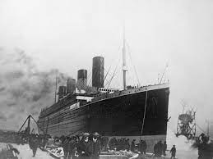
891
342
549

Survive By Class
 | Total
Higher | 136
Lower | 119
Middle | 87
Survive : Gender
 | Total
female | 233
male | 109
Passenger By Class
 | Total
Higher | 136
Lower | 119
Middle | 87

Age Group
 | Total
Adult | 145
Aged | 27
Child | 61
Teenage | 57
Unknown | 52
Survived By Embarked
 | Total
C | 93
Q | 30
S | 217
(blank) | 2

Survive by class
Row Labels | Sum of Survived
Higher | 136
Lower | 119
Middle | 87
Grand Total | 342

Survive By Class

Survive Gender
Row Labels | Sum of Survived
female | 233
male | 109
Grand Total | 342

Survive : Gender

Age Group
Row Labels | Sum of Survived
Adult | 145
Aged | 27
Child | 61
Teenage | 57
Unknown | 52
Age Group
Grand Total | 342

Passenger By class
Row Labels | Sum of Survived
Higher | 136
Lower | 119
Middle | 87
Grand Total | 342

Passenger By Class

Survived By embarked
Row Labels | Sum of Survived
C | 93
Q | 30
S | 217
(blank) | 2
Grand Total | 342
Survived by Embarked

